Sheet1
 | X | Y |  |  |  |  |  | X | Y
 | 0.5000 | 1.0000 | 2.2380 | -0.6560 | 0.7627 | -0.050666666667 | 0.010666666667 | X0 | Y0 | f[X1,X0] | f[X2;X1;X0] | f[X3;X2;X1;X0] | f[X4;X3;X2;X1;X0] | f[X5;X4;X3;X2;X1;X0]
 | 1.0000 | 2.1190 | 1.5820 | 0.4880 | 0.6613 | -0.024 |  | X1 | Y1 | f[X2,X1] | f[X3;X2;X1] | f[X4;X3;X2;X1] | f[X5;X4;X3;X2;X1]
 | 1.5000 | 2.9100 | 2.0700 | 1.4800 | 0.6133 |  |  | X2 | Y2 | f[X3,X2] | f[X4;X3;X2] | f[X5;X4;X3;X2]
 | 2.0000 | 3.9450 | 3.5500 | 2.4000 |  |  |  | X3 | Y3 | f[X4,X3] | f[X5;X4;X3]
 | 2.5000 | 5.7200 | 5.9500 |  |  |  |  | X4 | Y4 | f[X5,X4]
 | 3.0000 | 8.6950 |  |  |  |  |  | X5 | Y5

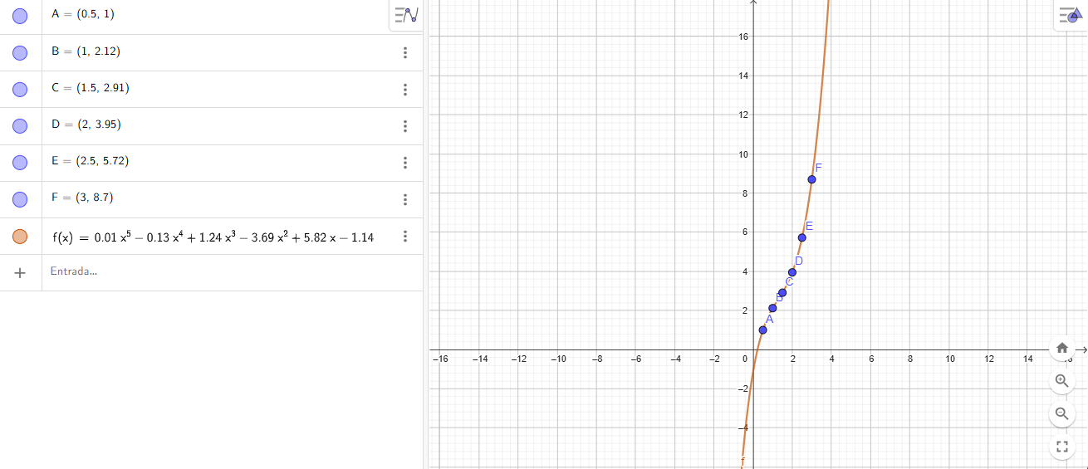
f6(x)=0,010667x^5-0,130673x^4+1,24272x^3-3,68747x^2+5,81878x-1,13503

